Sale analysis Category wise
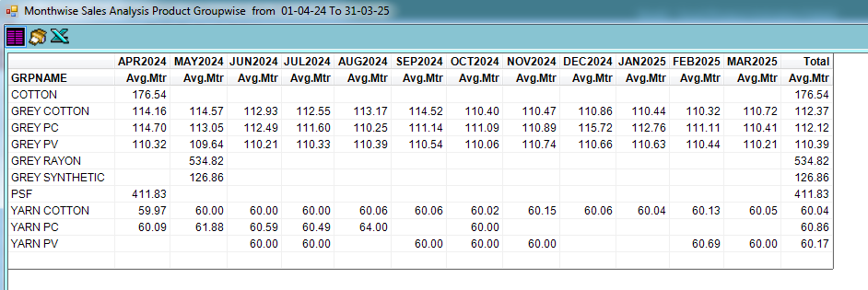
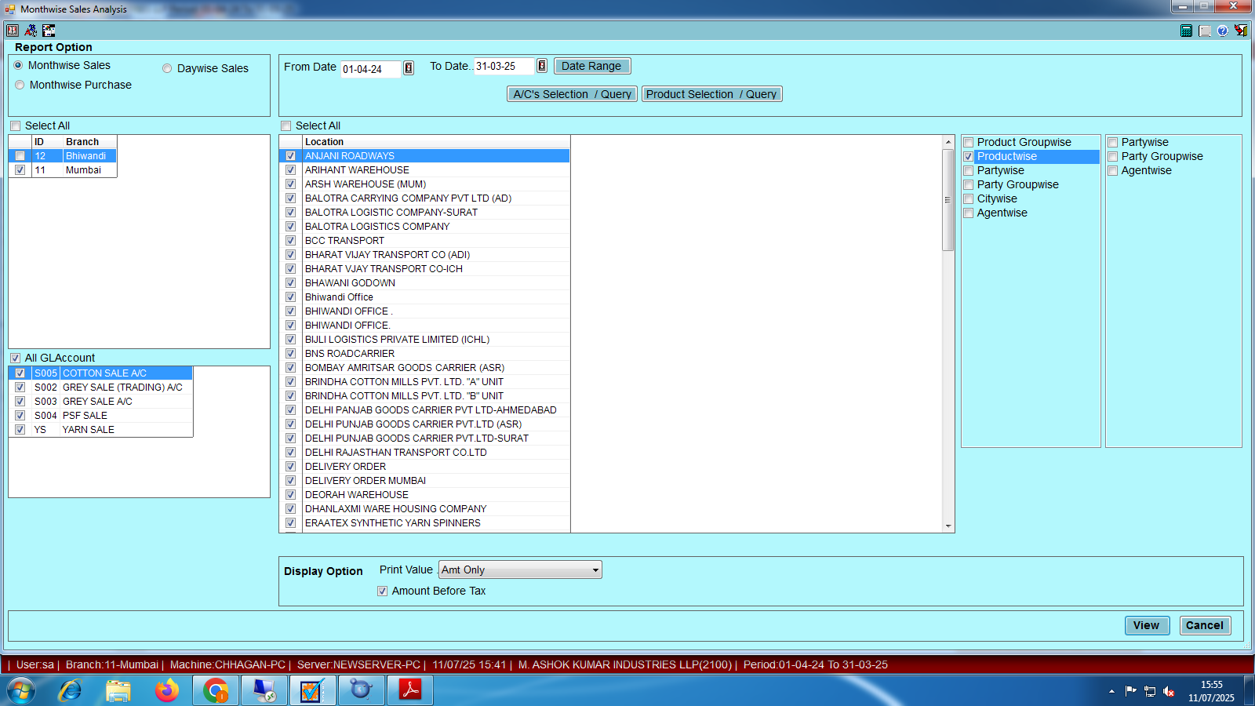

1 | product group wise monthly (Qty Only)

2 | product group wise monthly (amt Only)

3 | product group wise monthly (qty and amt Only)

4 | product group wise monthly (avg mtrs)

item wise
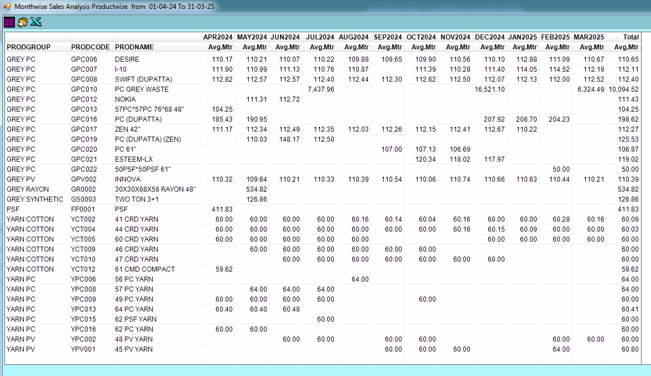
1 | Product wise Qty Only
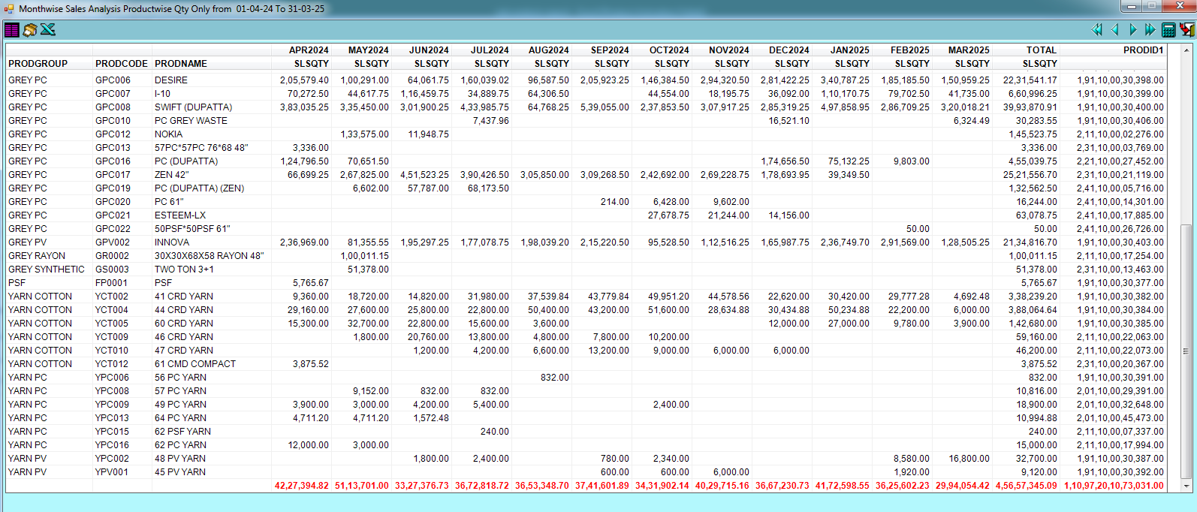

2 | Qty & Amt
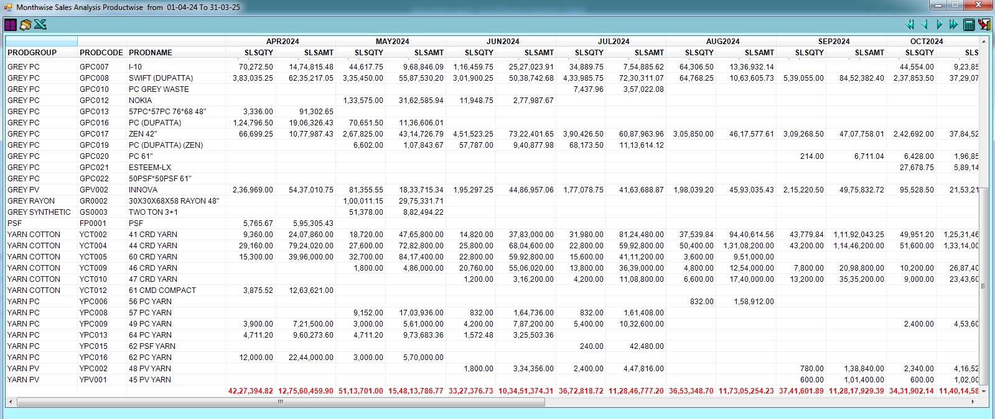

3 | Avg Mtrs

party wise
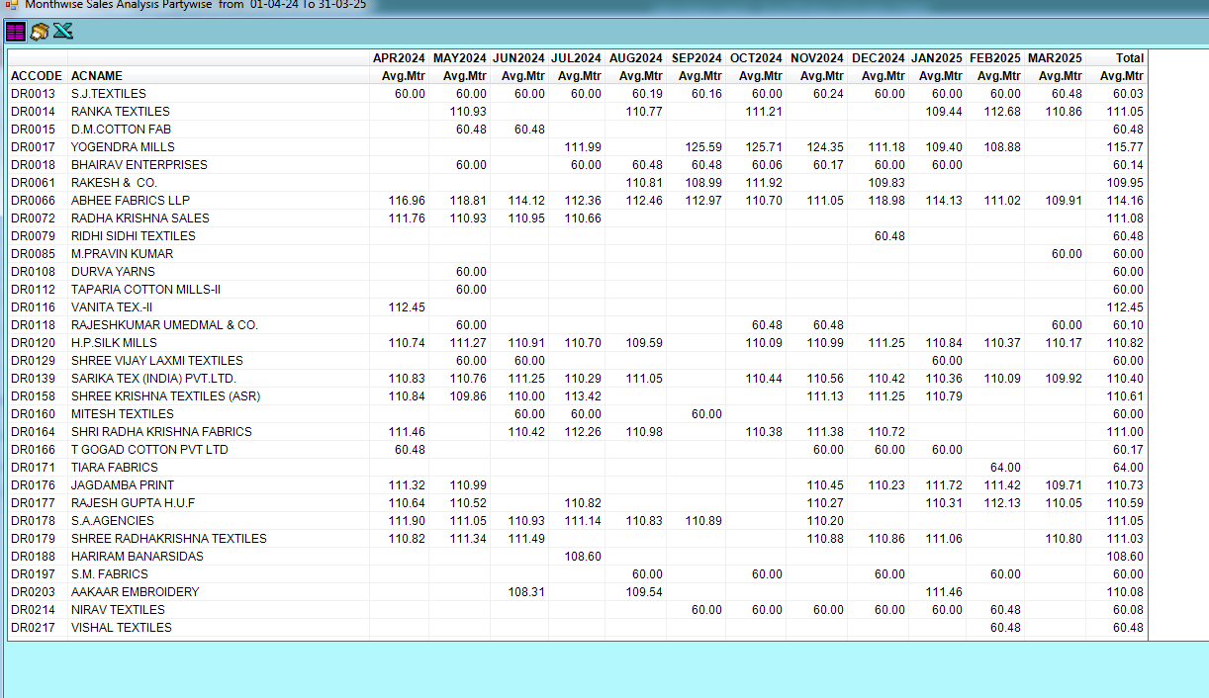
1 | Qty Only
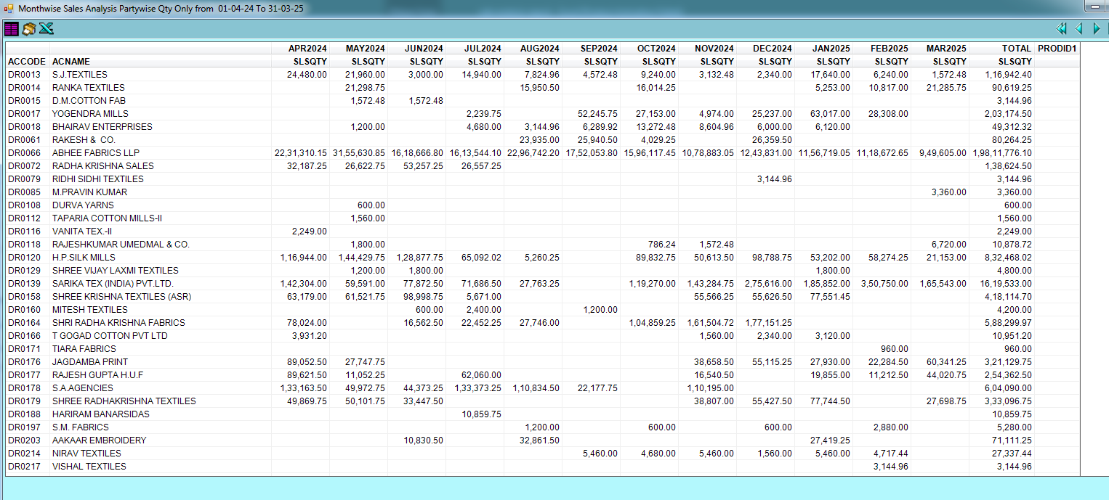

2 | avg mtrs

party wiuse agent wise
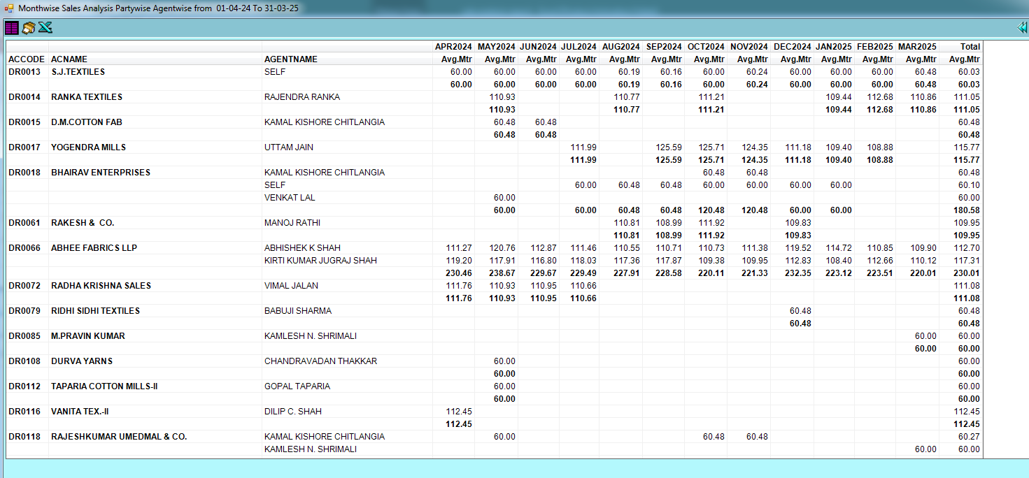
avg mtrs

party wise product wise
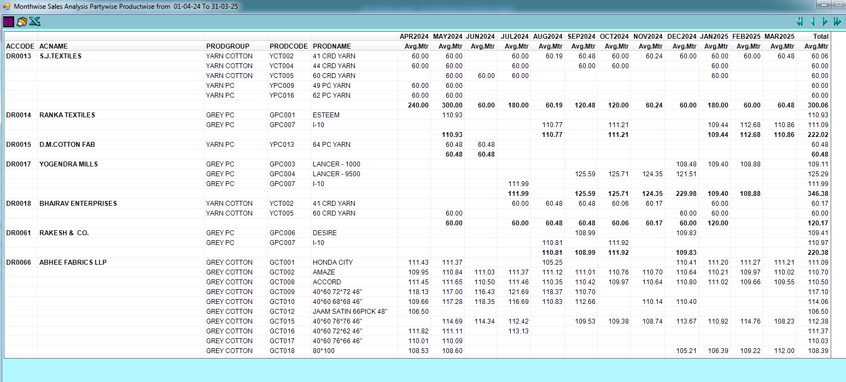
1 | avg mtrs

agent wise
